SHELL
NITRO MENS JACKET |  |  |  |  |  |  | SAMPLE SIZE LARGE / XS-XXL
SEASON: |  | WINTER 2018/2019 |  |  | CONTRACTOR: |  | SOLUNA
STYLE NUMBER: |  | N18-108 |  |  | DATE CREATED: |  | 2017-03-20
STYLE NAME: |  | ACCESS SOFTSHELL |  |  | DATE REVISED:
WATERPROOF/BREATHABILITY: |  | 10K/10K |  |  | BLOCK:
SEAM SEALING: |  | NO SEAM TAPING |  |  | FIT:
INSULATION: |  | NO INSULATION |  |  | TARGET FOB:
 | 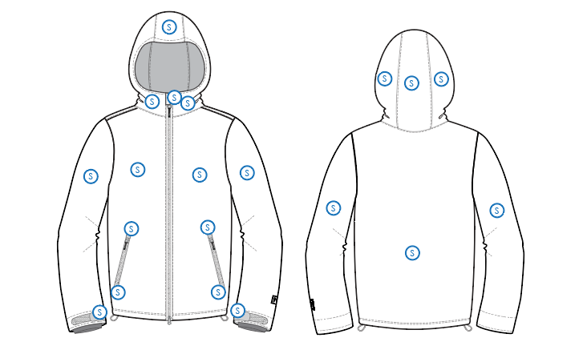
 |  |  |  | COLORWAYS
SHELL FABRIC | SUPPLIER/ REFERENCE NUMBER | LOCATION | CONTENT | COLORWAY 1 | COLORWAY 2 | COLORWAY 3 | COLORWAY 4 | COLORWAY 5
 | Solis / SOTE108-B4 100% poly, 248gsm, windstop, C6 80/20 dwr, 4way stretch | S | 100% POLYESTER | COLOR

INSULATION | SUPPLIER/ REFERENCE NUMBER | LOCATION | CONTENT | COLORWAY 1 | COLORWAY 2 | COLORWAY 3 | COLORWAY 4 | COLORWAY 5 | 0
NON INSULATED

SEAM TAPE | SUPPLIER/ REFERENCE NUMBER | LOCATION | CONTENT | COLORWAY 1 | COLORWAY 2 | COLORWAY 3 | COLORWAY 4 | COLORWAY 5 | 0
NON TAPED

LINING | SUPPLIER/ REFERENCE NUMBER | LOCATION | CONTENT | COLORWAY 1 | COLORWAY 2 | COLORWAY 3 | COLORWAY 4 | COLORWAY 5 | 0
BRUSHED TECH MESH | SUPPLIER / REF CODE | CHIN FACING | 100% POLYESTER | COLOR
SHELL FABRIC | SUPPLIER / REF CODE | HAND POCKET BAGS |  | COLOR
SOLID 210T | SOLIS / SONP006-1 | MEDIA POCKET | 100% NYLON | COLOR
LYCRA | SUPPLIER / REF CODE | SLEEVE GAITERS |  | COLOR

MEASUREMENTS
NITRO MENS JACKET |  |  |  |  |  |  |  | SAMPLE SIZE LARGE / XS-XXL
SEASON: |  | WINTER 2018/2019 |  |  |  |  |  | CONTRACTOR: |  |  |  |  |  | SOLUNA
STYLE NUMBER: |  | N18-108 |  |  |  |  |  | DATE CREATED: |  |  |  |  |  | 2017-03-20
STYLE NAME: |  | ACCESS SOFTSHELL |  |  |  |  |  | DATE REVISED: |  |  |  |  |  | 0
WATERPROOF/BREATHABILITY: |  | 10K/10K |  |  |  |  |  | BLOCK: |  |  |  |  |  | 0
SEAM SEALINING: |  | NO SEAM TAPING |  |  |  |  |  | FIT: |  |  |  |  |  | 0
INSULATION: |  | NO INSULATION |  |  |  |  |  | TARGET FOB: |  |  |  |  |  | $0.00
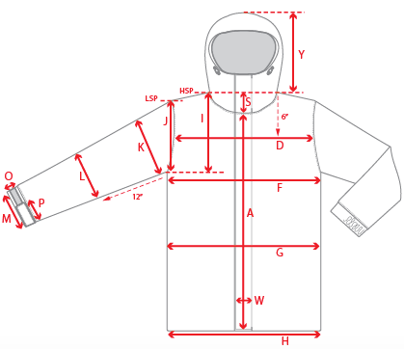 |  |  | 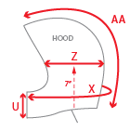 |  |  |  | 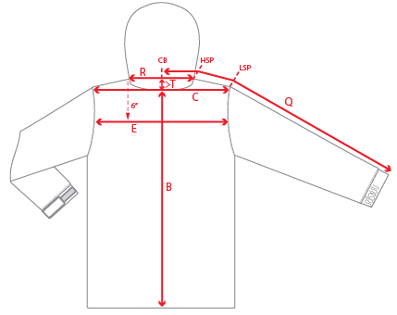
 |  |  |  | 1ST PROTO |  |  | 2ND PROTO |  |  | 3RD PROTO |  |  | S/SAMPLE |  |  | PP SAMPLE |  | FINAL
 |  |  | DATE: |  |  | DATE: |  |  | DATE: |  |  | DATE: |  |  | DATE:
 |  | TOL +/- | INITIAL MEASMNT | SAMPLE MEASURES | REVISE TO | REQUESTED | SAMPLE MEASURES | REVISE TO | REQUESTED | SAMPLE MEASURES | REVISE TO | REQUESTED | SAMPLE MEASURES | REVISE TO | REQUESTED | SAMPLE MEASURES | REVISE TO | APPROVED MEASMNTS
A | CF LENGTH - FROM NECKLINE | 0.25 | 28
B | CB LENGTH - FROM NECKLINE | 0.25 | 31
C | SHOULDER WIDTH | 0.25 | 19.5
D | ACROSS FRONT- 6" FROM HPS | 0.25
E | ACROSS BACK- 6" FROM HPS | 0.25
F | CHEST WIDTH - 1" BELOW ARMHOLE (1/2 MEASURE) | 0.25 | 24
G | WAIST WIDTH - 1/2 MEASURE, FROM HSP: S-19", M-19.5", L-20", XL-20.5" | 0.25 | 23.5
H | HEM OPENING - (1/2 MEASURE) | 0.25 | 23
I | ARMHOLE FRM HSP - STRAIGHT (1/2 MEASURE) | 0.125 | 11.75
J | ARMHOLE FRM LSP - STRAIGHT (1/2 MEASURE) | 0.125 | 10.875
K | BICEP - 1" BELOW UNDERARM (1/2 MEASURE) | 0.125 | 10
L | ELBOW - 12" BELOW UNDERARM (1/2 MEASURE) | 0.125 | 7.5
M | SLEEVE OPENING - RELAXED (1/2 MEASURE) | 0.125 | 6
N | SLEEVE OPENING - STRETCHED (1/2 MEASURE) | 0.125
 | WRIST GAITER LENGTH | 0.125 | 3.5
 | WRIST GAITER OPENING (1/2 MEASURE) | 0.125 | 4
O | SLEEVE CUFF HEIGHT | 0.125 | 1.75
P | CUFF TAB LENGTH | 0.125 | 4
Q | CB SLEEVE LENGTH - 3 PT MEASURE FROM CB | 0.25 | 38
R | NECK WIDTH - STRAIGHT HPS TO HPS (1/2 MEASURE) | 0.125 | 9
S | FRONT NECK DROP - FROM HSP | 0.125 | 4
T | BACK NECK DROP - FROM HSP | 0.125 | 1
U | CF COLLAR HEIGHT | 0.125 | 4
X | COLLAR CIRCUMFERENCE | 0.25
Y | HOOD HEIGHT - SHOULDER SEAM TO TOP | 0.125 | 15.25
Z | HOOD WIDTH - 7" UP FROM NECK SEAM | 0.125 | 11
AA | HOOD RUN | 0.25 | 22.5
 | HAND POCKET WELT LENGTH | 0.125
 | HAND POCKET WELT WIDTH | 0.125
ZIPPERS | CENTER FRONT | 0.25 | 32
 | HAND POCKETS VERTICAL | 0.125 | 7.5
 | LINING POCKET VERTICAL | 0.125 | 6.5

 | ZIPPER RULES:
 | CF = XXX SHORTER THAN CF LENGTH

